GUI CGI SPEC
Xmind
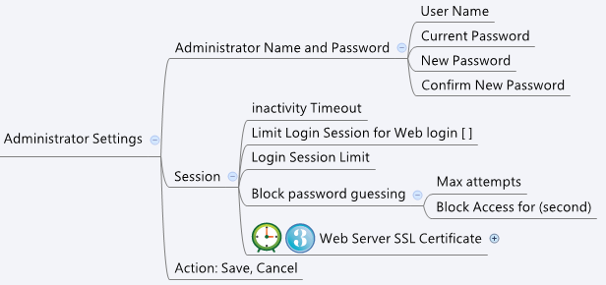

Behavior
# at init, keep "Current Password" field empty, "Current Password", "New Password" and "Confirm New Password" are for input only
# If user inputs Current Password / New Password, check whether "New Password" matches "Confirm New Password"
and use checkCurrentPwd.cgi to check current password is correct
If check result is "seccuss", set "setPassword" as 1 to let CGI know the password is going to be changed

[UI Display Name] | [CGI Name] | [JSON Name] | [Description]
User Name | checkCurrentPwd.cgi | name | Length: 31, for checking current password. All viewable ASCII code except (whitespace) ‘ ` “ % ?
Current Password | checkCurrentPwd.cgi | password | Length: 31, for checking current password

(N/A) | adminsetting.cgi | setPassword | 0/1, set to 1, if the password is going to be updated
User Name | adminsetting.cgi | adminName | Length: 31. All viewable ASCII code
Current Password | adminsetting.cgi | adminOldPwd | Length: 31
New Password | adminsetting.cgi | adminNewPwd | Length: 31
inactivity Timeout | adminsetting.cgi | loginInactiveTimeout | 60 ~ 1000, default 600
Limit Login Session for Web login [ ] | adminsetting.cgi | loginSessionLimitEnable | 0 /1, default 0
Login Session Limit | adminsetting.cgi | loginSessionLimit | 60 ~ 1000, default 900
Block password guessing - Max attempts | adminsetting.cgi | loginFailBlockMaxAttempts | 0 ~ 1000, default 3
Block Access for (second) | adminsetting.cgi | loginFailBlockTime | 30 ~ 3600, default 300

JSON String
## POST to checkCurrentPwd.cgi to check current password ##
{
"name": "admin",
"password": "admin"
}
## check fail ##
{
"result":"fail"
}
## check OK ##
{
"result":"success"
}
## GET/POST to adminsetting.cgi to get/set settings ##
{
"setPassword": "1",
"adminName": "admin",
"adminOldPwd": "nimda",
"adminNewPwd": "testtest",
"loginInactiveTimeout": "600",
"loginSessionLimitEnable": "0",
"loginSessionLimit": "900",
"loginFailBlockMaxAttempts": "3",
"loginFailBlockTime": "300"
}

